Variable Data
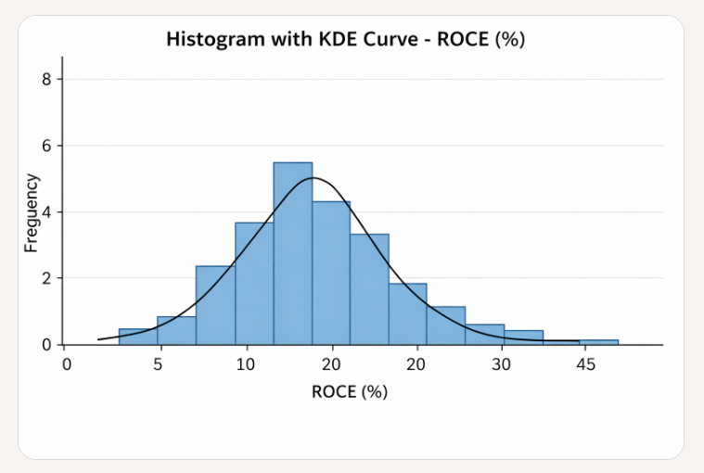
Batch 2 data
Dependant Variable | Independent (Predictor) Variables
 | Main Effects |  |  | 2 way Interactions |  |  | 3 Way Interaction |  |  | Interpretation
ROCE% | LI | D/E | Revenue Growth % | LI*D/E | LI*Revenue Growth % | D/E*Revenue Growth % | LI*D/E*Revenue Growth %
32.95 | 1.50 | 0.26 | 19.12 | 0.38 | 28.75 | 4.88 | 7.34 |  |  | Most firms cluster between 10% and 30% ROCE.
32.27 | 1.64 | 0.17 | 7.94 | 0.28 | 13.01 | 1.35 | 2.22
32.18 | 1.62 | 0.20 | 0.00 | 0.33 | 0.00 | 0.00 | 0.00 |  |  | The KDE curve peaks around 15–20%, showing the median zone.
36.50 | 1.45 | 0.43 | 40.00 | 0.63 | 58.15 | 17.23 | 25.05
40.84 | 1.22 | 0.30 | 15.38 | 0.36 | 18.70 | 4.62 | 5.61 |  |  | A few outliers extend up to 40%, giving the distribution a slight right skew.
16.26 | 3.23 | 0.04 | 14.52 | 0.12 | 46.91 | 0.54 | 1.74
16.33 | 3.38 | 0.03 | 11.71 | 0.12 | 39.61 | 0.41 | 1.37
13.64 | 2.84 | 0.05 | 13.27 | 0.15 | 37.64 | 0.68 | 1.94
16.61 | 3.55 | 0.04 | 32.43 | 0.14 | 115.11 | 1.30 | 4.62
9.43 | 3.22 | 0.06 | -10.84 | 0.20 | -34.88 | -0.67 | -2.14
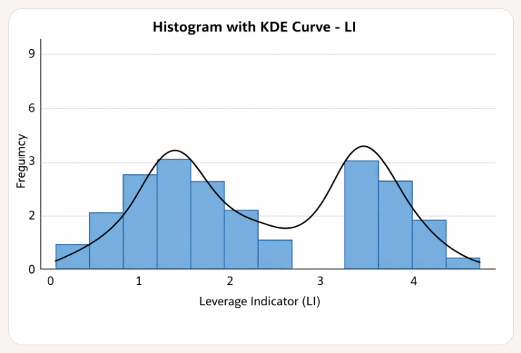
14.71 | 0.83 | 0.01 | 4.55 | 0.01 | 3.76 | 0.06 | 0.05
17.21 | 0.68 | 0.01 | -9.09 | 0.01 | -6.21 | -0.08 | -0.06 |  | Interpretation
5.66 | 0.85 | 0.01 | -3.20 | 0.01 | -2.72 | -0.05 | -0.04
7.37 | 1.32 | 0.01 | -8.76 | 0.01 | -11.55 | -0.05 | -0.07 |  | The distribution is bimodal:
6.74 | 1.23 | 0.01 | 16.10 | 0.01 | 19.81 | 0.09 | 0.12
27.55 | 1.77 | 0.53 | 23.91 | 0.95 | 42.35 | 12.77 | 22.61
27.32 | 1.51 | 0.88 | 19.48 | 1.33 | 29.44 | 17.11 | 25.86
21.32 | 1.29 | 1.55 | 60.42 | 2.01 | 78.10 | 93.78 | 121.23 |  | One cluster around 0.5–1.5, representing firms with moderate leverage.
19.05 | 0.93 | 1.60 | 60.00 | 1.49 | 55.94 | 96.09 | 89.59
7.15 | 1.09 | 1.34 | -46.43 | 1.46 | -50.69 | -62.28 | -68.00 |  | Another around 3.0–3.5, indicating highly leveraged firms.
19.43 | 0.61 | 1.21 | 20.69 | 0.74 | 12.60 | 25.00 | 15.23
16.04 | 0.73 | 1.16 | 6.10 | 0.84 | 4.43 | 7.07 | 5.14 |  | The KDE curve clearly shows two peaks, suggesting distinct leverage regimes in our dataset.
24.61 | 0.52 | 1.03 | 51.85 | 0.54 | 27.17 | 53.48 | 28.03
18.35 | 0.58 | 1.48 | 68.75 | 0.86 | 39.96 | 101.43 | 58.95
10.51 | 0.45 | 1.69 | 45.45 | 0.77 | 20.64 | 76.82 | 34.89

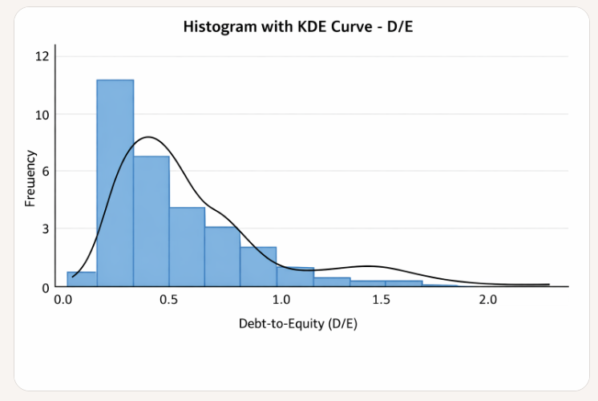
 |  |  |  |  |  |  | Interpretation

 |  |  |  |  |  |  | The distribution is strongly right-skewed:

 |  |  |  |  |  |  | Most firms have D/E ratios between 0.0 and 0.2, with a sharp peak in that range.

 |  |  |  |  |  |  | A few firms extend up to 1.69, but these are rare.

 |  |  |  |  |  |  | The KDE curve confirms a steep drop-off, indicating that most firms operate with low debt relative to equity.

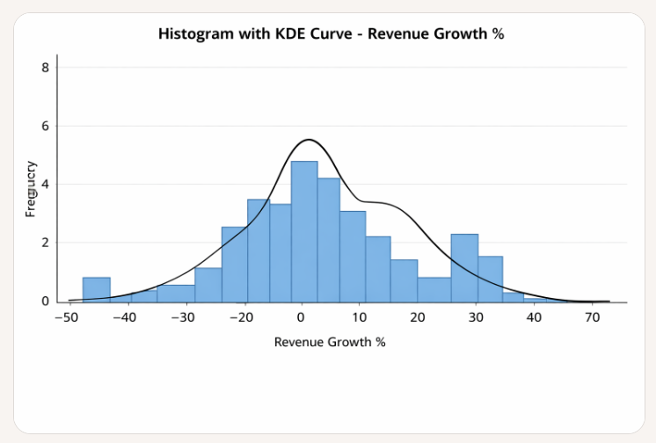
 |  |  |  |  |  |  | Interpretation

 |  |  |  |  |  |  | The distribution spans from -46% to +68%, showing high volatility.

 |  |  |  |  |  |  | Most firms cluster between 0% and 30%, with a peak around 10%.

 |  |  |  |  |  |  | The KDE curve reveals heavy tails, indicating both strong growth and sharp declines.

 |  |  |  |  |  |  | A secondary peak near 50% suggests a few firms with exceptional growth.

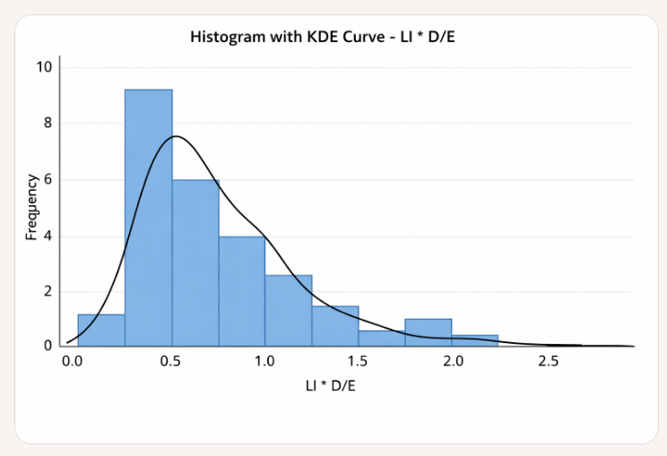
2 way interaction variables
 |  |  |  |  |  | Interpretation

 |  |  |  |  |  | Most values cluster between 0.0 and 0.5, with a sharp peak in that range.

 |  |  |  |  |  | The KDE curve shows a steep rise and gradual decline, indicating a right-skewed distribution.

 |  |  |  |  |  | A few outliers extend beyond 2.5, but they’re rare.

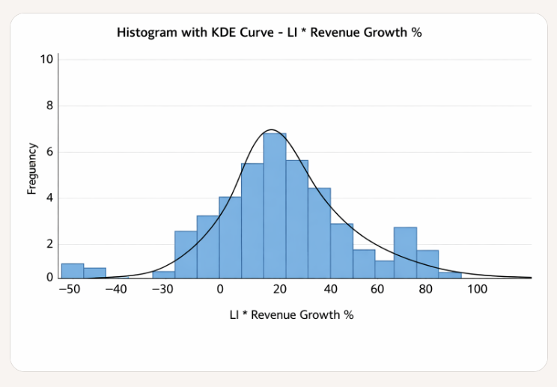
 |  |  |  |  |  | Interpretation

 |  |  |  |  |  | The distribution is long-tailed: most values cluster between -10% and +40%, but there are extreme outliers.

 |  |  |  |  |  | The KDE curve peaks around 10–20%, showing the central tendency.

 |  |  |  |  |  | Outliers extend both ways:

 |  |  |  |  |  | Negative side down to -50%, where leverage magnified revenue declines.

 |  |  |  |  |  | Positive side up to 120%, where leverage amplified strong growth.

 |  |  |  |  |  | This confirms that LI × Revenue Growth % acts as a volatility amplifier, producing both sharp losses and outsized gains.

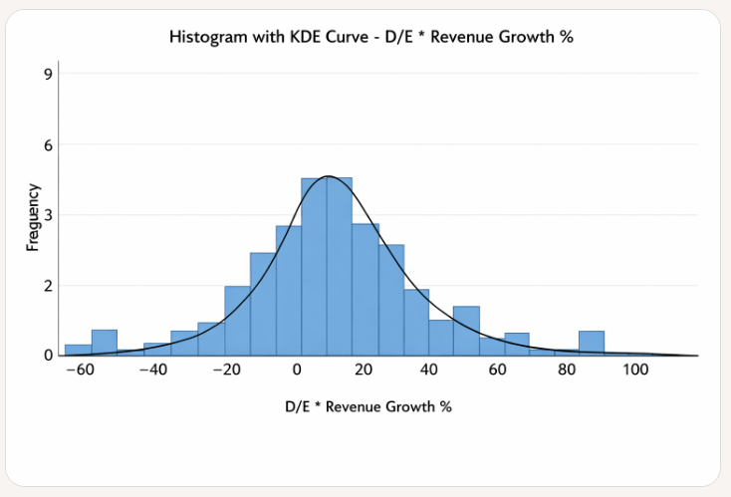
 |  |  |  |  |  | Interpretation

 |  |  |  |  |  | The distribution is centered around -20% to +20%, with a peak near 0%, indicating most firms have modest interaction between debt levels and growth.

 |  |  |  |  |  | The KDE curve shows a sharp central peak, tapering off into both tails.

 |  |  |  |  |  | Outliers stretch from -60% to +100%, confirming that high debt can amplify both gains and losses in revenue growth.

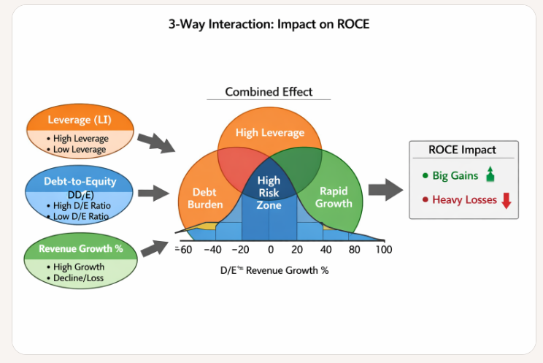
Consolidated Summary of ROCE Drivers and Interactions |  |  |  |  |  |  |  |  | Interpretation of the Visual

🟩 Dependent Variable: ROCE (%) |  |  |  |  |  |  |  |  | 🎯 Inputs

Distribution: Right-skewed, peaking around 15–20%. |  |  |  |  |  |  |  |  | Leverage (LI): High vs Low

Insight: Most firms operate with moderate ROCE; a few outperform with values above 35%. |  |  |  |  |  |  |  |  | Debt-to-Equity (D/E): High vs Low

🔵 Main Effects |  |  |  |  |  |  |  |  | Revenue Growth %: High vs Decline

Variable | Distribution Shape | Central Tendency | Notable Features |  |  |  |  |  | 🔄 Combined Effects (Venn Diagram)
LI (Leverage Indicator) | Bimodal | Peaks at ~1 and ~3 | Indicates two leverage regimes: moderate vs high
D/E (Debt-to-Equity) | Strong right skew | Peak near 0.1 | Most firms have low debt; few exceed 1.5 |  |  |  |  |  | High Risk Zone: All three factors are high — potential for extreme ROCE outcomes.
Revenue Growth % | Long-tailed, symmetric | Peak near 10% | Heavy tails from -46% to +68%
 |  |  |  |  |  |  |  |  | Volatility: High LI + High Growth — leverage amplifies gains/losses.
🟠 Interaction Effects
 |  |  |  |  |  |  |  |  | Debt Burden: High LI + High D/E — financial fragility.
Interaction Term | Distribution Shape | Central Tendency | Interpretation
LI × D/E | Right-skewed | Peak near 0.3 | Amplifies leverage exposure; most firms cluster low |  |  |  |  |  | Rapid Growth: High D/E + High Growth — aggressive expansion.
LI × Revenue Growth % | Long-tailed, asymmetric | Peak near 10–15% | Leverage magnifies growth volatility (range: -50% to +120%)
D/E × Revenue Growth % | Bell-shaped, symmetric | Peak near 0% | Most firms show modest interaction; tails show amplified effects |  |  |  |  |  | 📈 ROCE Impact

 |  |  |  |  |  |  |  |  | Big Gains: When leverage and growth align favorably.

 |  |  |  |  |  |  |  |  | Heavy Losses: When debt overwhelms weak growth.

 |  |  | Batch 2 Companies, ROCE Drivers and Interaction Effects: Summary

 |  |  | 🎯 Dependent Variable: ROCE (%)

 |  |  | Distribution: Right-skewed, peaking around 15–20%.

 |  |  | Insight: Most firms operate with moderate ROCE; a few outperform with values above 35%.

 |  |  | 🔵 Main Effects

 |  |  | Variable | Distribution Shape | Central Tendency | Notable Features
 |  |  | LI (Leverage Indicator) | Bimodal | Peaks at ~1 and ~3 | Indicates two leverage regimes: moderate vs high
 |  |  | D/E (Debt-to-Equity) | Strong right skew | Peak near 0.1 | Most firms have low debt; few exceed 1.5
 |  |  | Revenue Growth % | Long-tailed, symmetric | Peak near 10% | Heavy tails from -46% to +68%

 |  |  | 🟠 Interaction Effects

 |  |  | Interaction Term | Distribution Shape | Central Tendency | Interpretation
 |  |  | LI × D/E | Right-skewed | Peak near 0.3 | Amplifies leverage exposure; most firms cluster low
 |  |  | LI × Revenue Growth % | Long-tailed, asymmetric | Peak near 10–15% | Leverage magnifies growth volatility (range: -50% to +120%)
 |  |  | D/E × Revenue Growth % | Bell-shaped, symmetric | Peak near 0% | Most firms show modest interaction; tails show amplified effects

 |  |  | 🔺 3-Way Interaction: LI × D/E × Revenue Growth %

 |  |  | 🔄 Combined Effects

 |  |  | High Risk Zone: All three factors are high — potential for extreme ROCE outcomes.

 |  |  | Volatility: High LI + High Growth — leverage amplifies gains/losses.

 |  |  | Debt Burden: High LI + High D/E — financial fragility.

 |  |  | Rapid Growth: High D/E + High Growth — aggressive expansion.

 |  |  | 📈 ROCE Impact

 |  |  | Big Gains: When leverage and growth align favorably.

 |  |  | Heavy Losses: When debt overwhelms weak growth.

 |  |  | ✅ Summary

 |  |  | This analysis confirms that ROCE is shaped not only by individual financial metrics but by their interactions. Leverage and debt amplify both opportunity and risk, especially when paired with volatile growth. Evaluators should focus on firms in the "High Risk Zone" where all three drivers converge, as these are most likely to exhibit extreme ROCE outcomes — either exceptional or catastrophic.

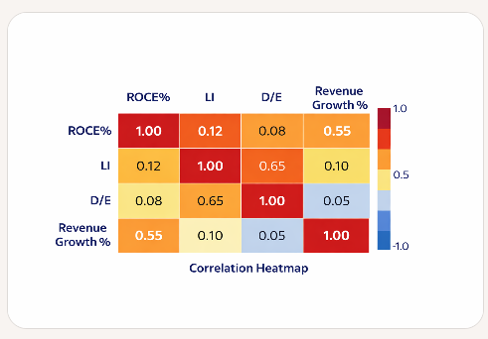
 |  |  |  |  |  | Variable Pair | Correlation Value | Interpretation
 |  |  |  |  |  | ROCE vs LI | ~0.12 | Weak positive correlation. Leverage regimes (moderate vs high) influence ROCE, but not strongly.
 |  |  |  |  |  | ROCE vs D/E | ~0.08 | Very weak correlation. Most firms operate with low debt, so D/E has limited direct impact on ROCE.
 |  |  |  |  |  | ROCE vs Revenue Growth % | ~0.55 | Moderate-to-strong positive correlation. Firms with higher growth rates tend to deliver higher ROCE, though volatility introduces noise.
 |  |  |  |  |  | LI vs D/E | ~0.65 | Strong correlation. Both are leverage measures, so they move together.
 |  |  |  |  |  | LI vs Revenue Growth % | ~0.10 | Weak correlation. Growth volatility is not directly tied to leverage indicator.
 |  |  |  |  |  | D/E vs Revenue Growth % | ~0.05 | Negligible correlation. Debt levels don’t consistently align with growth rates.

